1 Why
1 Why: Why there are inconsistencies observed in the manufacturing process? |  |  | Objective: | To assess the quality of parts by analysing their performance in the inspection process.
Answer: Poor quality of parts under batch-5 and batch-6 is main root cause of inconsiticies in the process.

 | Quality of Batches Table:
 |  | Batches | Average of Batch 1 Pass | Average of Batch 2 Pass | Average of Batch 3 Pass | Average of Batch 4 Pass | Average of Batch 5 Pass | Average of Batch 6 Pass | Total
 |  | Number of Batches Passsed | 82 | 84.72 | 87.68 | 99.17 | 52.23 | 63.28 | 469.08
 |  | Rate | 17.48% | 18.06% | 18.69% | 21.14% | 11.13% | 13.49%

 | Visualisation:
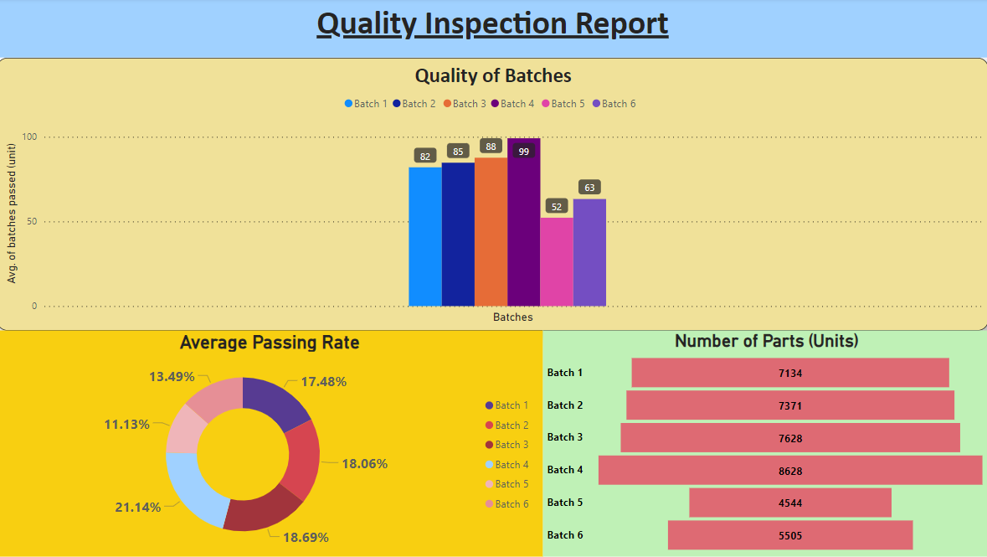

 | Key Insights:

1. Performance of Parts:
- The parts belonging to batch 4 shows a significant increase in the passing rate to 21.14%, indicating improved performance.
- Batch 5 and Batch 6 demonstrate a decline in passing rates compared to previous batches, with rates dropping to 11.13% and 13.49%, respectively.
- Batches 1, 2, and 3 exhibit relatively consistent passing rates ranging from 17.48% to 18.69%
2. Root Cause Analysis:
High passing rates, such as those seen in Batch 4, indicate efficient manufacturing processes, leading to fewer defective parts. This can result in cost savings by minimizing rework, scrap, and warranty
Conversely, low passing rates, as observed in Batch 5, can signify inefficiencies or quality issues in the manufacturing process.
3. Recommendation:
The data highlights the need for continuous improvement initiatives within the manufacturing process. This could involve implementing quality management systems, enhancing training programs for
operators, conducting regular equipment maintenance, or optimizing production workflows.

2 Why
2 Why: Why there is discrepency in parts delivery for inspection for each batch under shift 1? |  |  | Objective: | To analyse the maximum capacity with respect to each batch.
ANS: A huge variability between the maximium capacity inspected within batch highlights the communicatin gap leading to problem in delivery process.

 | Data Visualization Table: |  |  |  | Visualization:
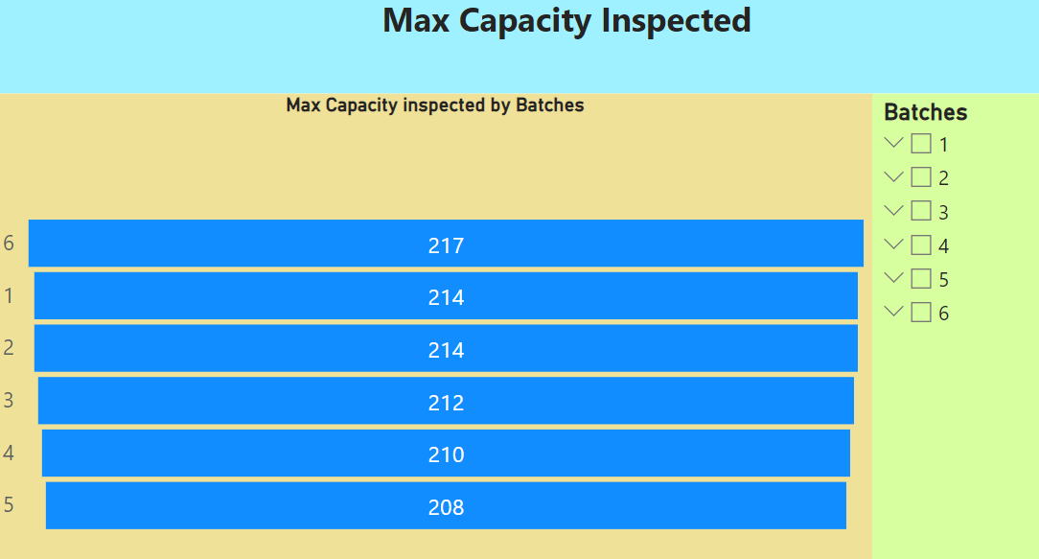
 |  | Batches | Max Capacity inspected
 |  | 1 | 214
 |  | 2 | 214
 |  | 3 | 212
 |  | 4 | 210
 |  | 5 | 208
 |  | 6 | 217
 |  | Grand Total | 1275

1. Variation analysis:
- There exists a slight variation in the maximum capacity inspected across the batches.
- Batches 1 and 2 have the highest maximum capacity inspected, both at 214 units.
- Batch 6 has the highest maximum capacity inspected, at 217 units.
- Batches 5 and 4 have the lowest maximum capacity inspected, at 208 and 210 units respectively.
2. Root Cause Analysis:
- The variation in maximum capacity inspected across batches could indicate inconsistencies or discrepancies in communication between the supplier and
inspectors.
- In this particular case where the maximum capacity inspected is lower than expected (e.g., batches 5 and 4), it could suggest a breakdown in
communication regarding the expected quantity of units to be inspected.
3. Recommendation:
The analysis highlights the importance of effective communication between suppliers and inspectors to ensure alignment on the quantity of units to be
inspected. Addressing communication issues can help mitigate discrepancies and improve the efficiency and effectiveness of the inspection process.
 |  |  |  |  | Key Insights:

3 Why
Why 3: Why there is a financial variability in the quality of raw materials? | Objective: | Analysing the cost of supplier parts that failed the inspection process
Answer: By assessing costs across batches and conducting root cause analyses for raw material variability, manufacturers can take targeted corrective actions. This improves overall quality, reduces costs, and sustains competitiveness.

 | Data Visualization Table:

 |  | Cost of supplier parts that failed test
 | Batches: | Batch 1 Failed | Batch 2 Failed | Batch 3 Failed | Batch 4 Failed | Batch 5 Failed | Batch 6 Failed
 |  | 0 | 46891 | 46891 | 37512 | 0 | 0
 |  | 132941 | 132941 | 132941 | 149558 | 99706 | 132941 | Visualization:
 |  | 105840 | 105840 | 0 | 60480 | 60480 | 90720
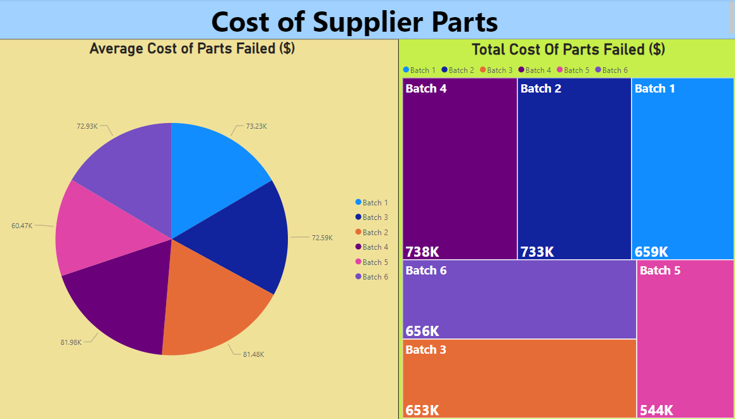
 |  | 59213 | 74016 | 59213 | 59213 | 74016 | 88819
 |  | 104630 | 89683 | 89683 | 89683 | 104630 | 119578
 |  | 33584 | 33584 | 33584 | 33584 | 0 | 0
 |  | 83808 | 100570 | 134093 | 150854 | 134093 | 117331
 |  | 32111 | 42815 | 32111 | 32111 | 0 | 0
 |  | 106963 | 106963 | 124790 | 124790 | 71309 | 106963
 | Total Cost | 659091 | 733303 | 653306 | 737787 | 544234 | 656352
 | Average Cost | 73232 | 81478 | 72590 | 81976 | 60470 | 72928

 |  |  |  |  |  |  |  | Key Insights:

1. Cost of Variability:
There is variability observed in the cost of failed parts across different batches. Batches 2 and 4 incurred the highest costs at $73,303 and $73,787, respectively, while Batch 5 had the lowest cost at $54,234.
This variability in costs may be attributed to factors such as the severity and frequency of defects, the value of the failed parts, or the efficiency of the rework process.
2.Impact on Financial Performance:
The cost of failed parts directly impacts the financial performance of the manufacturing operation. Higher costs, as seen in Batches 2 and 4, can lead to decreased profitability and increased production expenses.
Conversely, lower costs, such as those observed in Batch 5, may indicate more effective quality control measures or less severe defects, positively impacting the bottom line.
3.Root Cause Analysis:
The root causes contributing to variability in raw material quality and subsequent failures in inspection need to be identified and addressed. This may include issues such as inconsistent supplier quality, variations in material specifications, or deficiencies in manufacturing processes.
By conducting thorough root cause analyses, manufacturers can implement targeted corrective actions to improve raw material quality and reduce the incidence of failed parts, ultimately mitigating costs and enhancing product quality.

4 Why
4 Why: Why there is lack of uniformity in the supplier's quality control protocols? | Objective: | To analyse quantiative variabilty in parts under testing protocols
Ans: Massive variability in quantiy of supplier parts bieng tested in quality control protocols under shift 1.

 |  |  | Cleaned Data One: |  |  |  |  |  |  |  |  |  |  |  |  |  |  |  |  |  |  |  |  |  |  | Visualization:

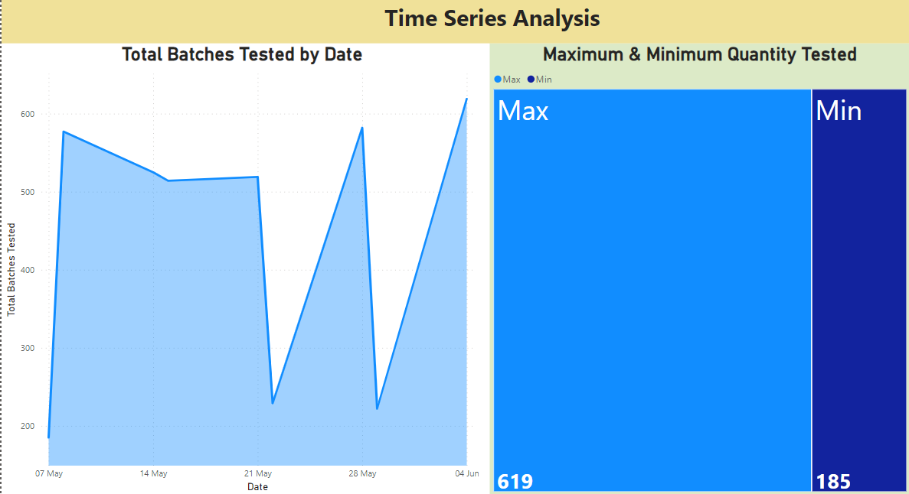
 |  |  | Date | Day | Shift | LineA-ProdType | Received | Batch ID | Batch 1 Qty | Batch 1 Pass | Batch 2 ID | Batch 2 Qty | Batch 2 Pass | Batch 3 ID | Batch 3 Qty | Batch 3 Pass | Batch 4 ID | Batch 4 Qty | Batch 4 Pass | Batch 5 ID | Batch 5 Qty | Batch 5 Pass | Batch 6 ID | Batch 6 Qty | Batch 6 Pass
 |  |  | 7-May-23 | 1 | 1 | 201 | 191 | 0 | 0 | 0 | 230507-S1-M6 | 62 | 57 | 230507-S1-M7 | 61 | 56 | 230507-S1-M8 | 62 | 58 | 0 | 0 | 0 | 0 | 0 | 0
 |  |  | 8-May-23 | 2 | 1 | 119 | 577 | 230508-S1-D1 | 100 | 92 | 230508-S1-D2 | 99 | 91 | 230508-S1-D3 | 97 | 89 | 230508-S1-D4 | 100 | 91 | 230508-S1-D5 | 97 | 91 | 230508-S1-D6 | 84 | 76
 |  |  | 14-May-23 | 1 | 1 | 119 | 525 | 230514-S1-D1 | 103 | 96 | 230514-S1-D2 | 103 | 96 | 0 | 0 | 0 | 230514-S1-D4 | 108 | 104 | 230514-S1-D5 | 99 | 95 | 230514-S1-D6 | 112 | 106
 |  |  | 15-May-23 | 2 | 1 | 119 | 514 | 230515-S1-D1 | 85 | 81 | 230515-S1-D2 | 84 | 79 | 230515-S1-D3 | 81 | 77 | 230515-S1-D4 | 89 | 85 | 230515-S1-D5 | 87 | 82 | 230515-S1-D6 | 88 | 82
 |  |  | 21-May-23 | 1 | 1 | 119 | 519 | 230521-S1-D1 | 83 | 76 | 230521-S1-D2 | 82 | 76 | 230521-S1-D3 | 88 | 82 | 230521-S1-D4 | 83 | 77 | 230521-S1-D5 | 85 | 78 | 230521-S1-D6 | 98 | 90
 |  |  | 22-May-23 | 2 | 1 | 201 | 228 | 230522-S1-M5 | 59 | 56 | 230522-S1-M6 | 57 | 54 | 230522-S1-M7 | 59 | 56 | 230522-S1-M8 | 54 | 51 | 0 | 0 | 0 | 0 | 0 | 0
 |  |  | 28-May-23 | 1 | 1 | 119 | 582 | 230528-S1-D1 | 99 | 94 | 230528-S1-D2 | 94 | 88 | 230528-S1-D3 | 97 | 89 | 230528-S1-D4 | 101 | 92 | 230528-S1-D5 | 99 | 91 | 230528-S1-D6 | 92 | 85
 |  |  | 29-May-23 | 2 | 1 | 201 | 218 | 230529-S1-M5 | 54 | 51 | 230529-S1-M6 | 55 | 51 | 230529-S1-M7 | 56 | 53 | 230529-S1-M8 | 57 | 54 | 0 | 0 | 0 | 0 | 0 | 0
 |  |  | 4-Jun-23 | 1 | 1 | 119 | 619 | 230604-S1-D1 | 98 | 92 | 230604-S1-D2 | 106 | 100 | 230604-S1-D3 | 104 | 97 | 230604-S1-D4 | 105 | 98 | 230604-S1-D5 | 99 | 95 | 230604-S1-D6 | 107 | 101

 |  |  | Cleaned Data Two: | Quanity Tested:
 |  |  |  | Date | Batch 1 Quantity | Batch 2 Quantity | Batch 3 Quantity | Batch 4 Quantity | Batch 5 Quantity | Batch 6 Quantity | Total
 |  |  |  | 7-May-23 | 0 | 62 | 61 | 62 | 0 | 0 | 185
 |  |  |  | 8-May-23 | 100 | 99 | 97 | 100 | 97 | 84 | 577
 |  |  |  | 14-May-23 | 103 | 103 | 0 | 108 | 99 | 112 | 525
 |  |  |  | 15-May-23 | 85 | 84 | 81 | 89 | 87 | 88 | 514
 |  |  |  | 21-May-23 | 83 | 82 | 88 | 83 | 85 | 98 | 519
 |  |  |  | 22-May-23 | 59 | 57 | 59 | 54 | 0 | 0 | 229
 |  |  |  | 28-May-23 | 99 | 94 | 97 | 101 | 99 | 92 | 582
 |  |  |  | 29-May-23 | 54 | 55 | 56 | 57 | 0 | 0 | 222
 |  |  |  | 4-Jun-23 | 98 | 106 | 104 | 105 | 99 | 107 | 619 |  |  |  |  |  |  |  |  |  |  |  |  |  |  | Key Insights:

 |  |  | Data Visualization:
 |  |  |  | Date | Total Batches Tested
 |  |  |  | 7-May-23 | 185
 |  |  |  | 8-May-23 | 577 |  |  |  |  |  |  |  |  |  |  |  |  |  |  |  |  |  |  |  |  | Key Insights:
1. Variability Analysis:
- Overall, there seems to be some fluctuation in the total number of batches tested over the observed period.There are peaks and troughs in the data, indicating
variations in production or testing schedules.
- There has been peak in the quantity testing of parts on 4th June, 2023 whereas on quantity testing has been lowest on 7th May, 2024.
- The overall variabilty of the whole testing procedure.
2. Root Cause Analysis:
The total number of batches tested under quality control protocols varies across different dates, indicating a strong fluctuation in testing activities that were conducted
under shift 1 between the time period of May and June of supplier parts. Which might lead to problems like Ineffective communication of results between different
departments involved in the testing protocols. Leading to inconsistent adherence to quality standards across different production shifts.
3. Recommendation:
- During periods of high testing volumes, ensure adequate resources are allocated to maintain efficiency and accuracy in inspections.
- Monitor testing volumes regularly to identify trends and patterns over time.
- Implement strategies to handle peak loads effectively, such as optimizing production schedules or increasing manpower if necessary.
 |  |  |  | 14-May-23 | 525
 |  |  |  | 15-May-23 | 514
 |  |  |  | 21-May-23 | 519
 |  |  |  | 22-May-23 | 229
 |  |  |  | 28-May-23 | 582
 |  |  |  | 29-May-23 | 222
 |  |  |  | 4-Jun-23 | 619

5 Why
5 Why: | Why suppliers are not meeting the expected delivery of parts to the inspection company according to the designated capacity? |  |  | Objective: | To analyse the left out parts unde the inspection process.
Ans: | Lack of Communication between the supplier and inspectiors accountable for receiving the parts

 |  |  |  | Visualization:

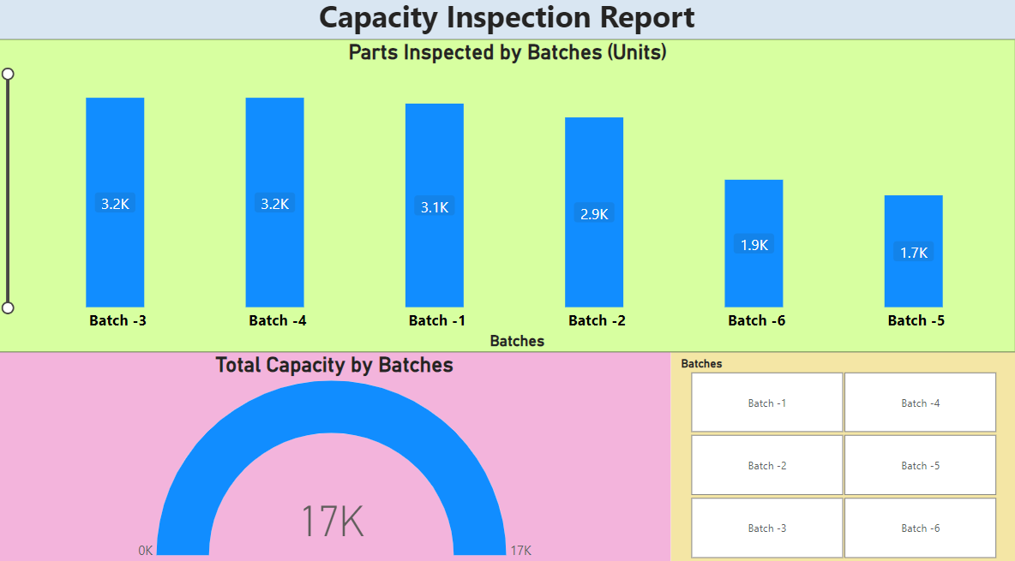
 | Data-Visualisation Table:
 | Batches | Total Capacity Inspected | Parts Inspected
 | Batch -1 | 3257 | 3065
 | Batch -2 | 3044 | 2857
 | Batch -3 | 3350 | 3153
 | Batch -4 | 3613 | 3153
 | Batch -5 | 1786 | 1684
 | Batch -6 | 2049 | 1919
 | Grand Total | 17099 | 15831

 |  |  |  | key Insights:

1. Discrepency analysis:
- The total capacity represents the expected quantity of parts available for inspection for each batch. The "Parts Inspected" column indicates the
actual number of parts that were inspected for quality.
- A noticeable trend is the consistent difference between the total capacity and the actual number of parts inspected across all batches
2. Root cause analysis:
- The consistent shortfall between total capacity and parts inspected suggests inefficiencies or disruptions in the supply chain.
- Suppliers may not be delivering parts to the inspection company in line with the expected capacity, leading to lower quantities available for
inspection.
- This problem could stem from th lack of communication between the suppliers and LPQA.
3. Recomendation:
- Foster better communication channels between suppliers and the inspection company to ensure alignment on expected quantities and delivery
schedules.
- Establish regular performance monitoring mechanisms to track supplier compliance with delivery schedules.

